Top 10 Selling Models
 | Monthly Statistical Booklet
 | Top 10 Selling Models Year to Date

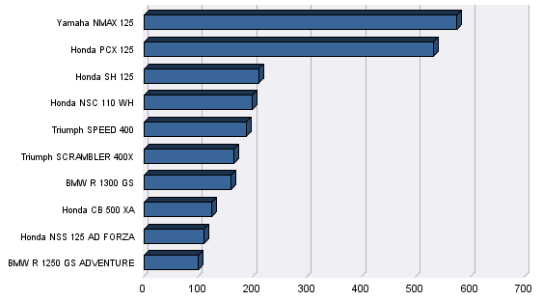
Model |  | YTD Registrations | Market Share
1 | Yamaha NMAX 125 | 575 | 5.2%
2 | Honda PCX 125 | 532 | 4.8%
3 | Honda SH 125 | 211 | 1.9%
4 | Honda NSC 110 WH | 199 | 1.8%
5 | Triumph SPEED 400 | 188 | 1.7%
6 | Triumph SCRAMBLER 400X | 166 | 1.5%
7 | BMW R 1300 GS | 160 | 1.4%
8 | Honda CB 500 XA | 125 | 1.1%
9 | Honda NSS 125 AD FORZA | 111 | 1.0%
10 | BMW R 1250 GS ADVENTURE | 100 | 0.9%

