Category Summary
 | Quarterly Test Pass Trends A

 |  | YYYY | YYYY | YYYY | Total
 | A | 32,002 | 18,751 | 21,032 | 71,785
 | A1 | 725 | 238 | 458 | 1,421
 | A2 | 4,561 | 2,272 | 2,342 | 9,175
 | AM | 7 | 3 | 4 | 14
 | Q | 1 | 0 | 0 | 1
 | Total | 37,296 | 21,264 | 23,836
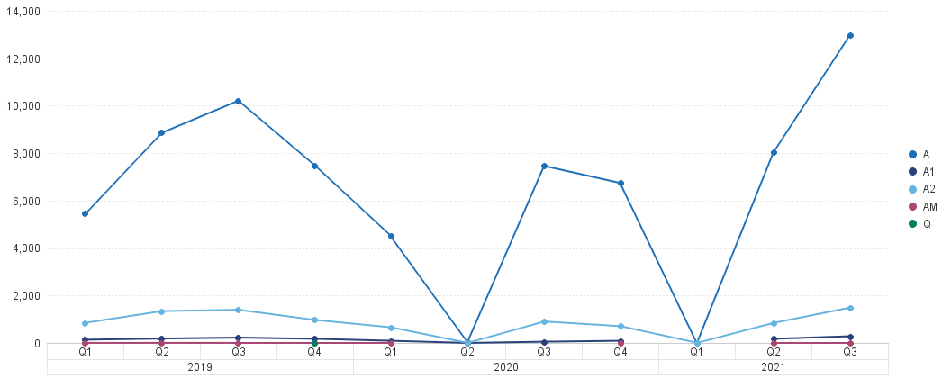
Values of 1000% or higher are not shown. |  |  |  |  |  | Page 1 of 1

Gender Summary
 | Quarterly Test Pass Trends A
 | Gender Summary for DATE

 |  | YYYY | YYYY | YYYY | Total
 | FEMALE | 3,082 | 1,466 | 1,745 | 6,293
 | MALE | 34,214 | 19,798 | 22,091 | 76,103
 | Total | 37,296 | 21,264 | 23,836
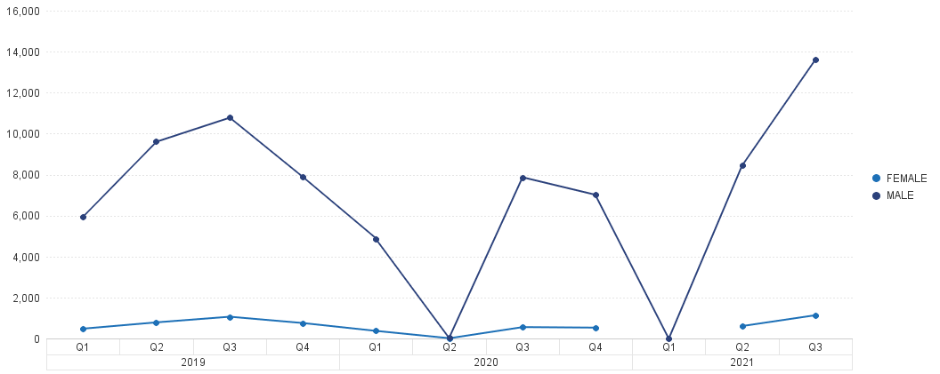
Values of 1000% or higher are not shown. |  |  |  |  |  | Page 1 of 1

Age Summary
 | Quarterly Test Pass Trends A
 | Age Summary forDATE

 |  | YYYY | YYYY | YYYY | Total
 | 16 yrs | 6 | 2 | 3 | 11
 | 17-19 yrs | 1,437 | 715 | 693 | 2,845
 | 20-24 yrs | 6,620 | 3,352 | 3,431 | 13,403
 | 25-29 yrs | 8,267 | 4,565 | 4,950 | 17,782
 | 30-34 yrs | 5,986 | 3,770 | 4,251 | 14,007
 | 35-39 yrs | 4,371 | 2,707 | 3,125 | 10,203
 | 40-49 yrs | 5,779 | 3,450 | 4,142 | 13,371
 | 50-59 yrs | 3,948 | 2,268 | 2,672 | 8,888
 | 60-69 yrs | 794 | 400 | 522 | 1,716
 | 70-79 yrs | 52 | 27 | 25 | 104
 | Unknown | 36 | 8 | 22 | 66
 | Total | 37,296 | 21,264 | 23,836
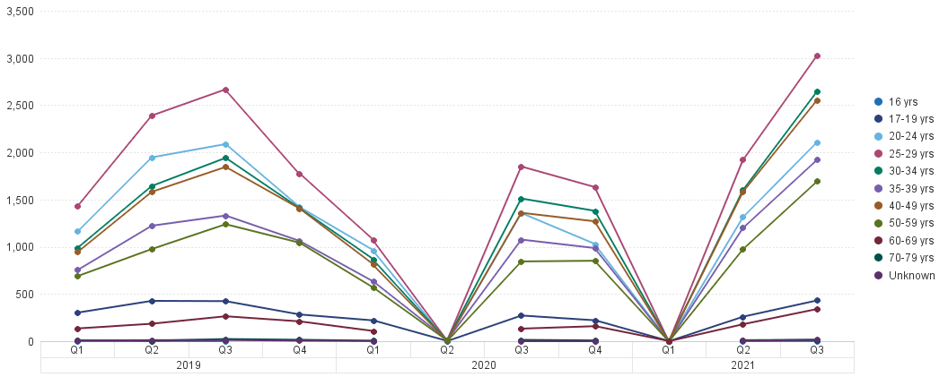
Values of 1000% or higher are not shown. |  |  |  |  |  | Page 1 of 1

Region Summary
 | Quarterly Test Pass Trends A
 | Region Summary for DATE

 |  | YYYY | YYYY | YYYY | Total
 | East Midlands | 3,408 | 1,923 | 2,505 | 7,836
 | East of England | 4,046 | 2,463 | 2,727 | 9,236
 | London | 3,804 | 1,977 | 2,155 | 7,936
 | North East | 1,350 | 739 | 784 | 2,873
 | North West | 3,468 | 2,071 | 2,197 | 7,736
 | Scotland | 2,970 | 1,613 | 1,582 | 6,165
 | South East | 6,372 | 3,727 | 4,107 | 14,206
 | South West | 4,471 | 2,575 | 2,807 | 9,853
 | Unknown | 24 | 9 | 14 | 47
 | Wales | 1,951 | 1,090 | 1,335 | 4,376
 | West Midlands | 2,746 | 1,627 | 1,802 | 6,175
 | Yorkshire & The Humber | 2,686 | 1,450 | 1,821 | 5,957
 | Total | 37,296 | 21,264 | 23,836
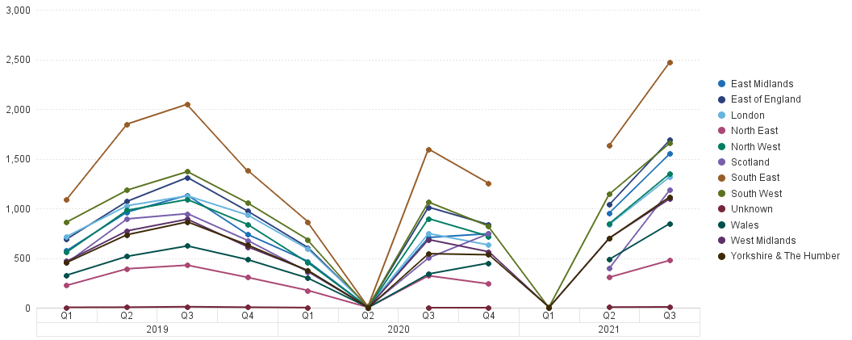
Values of 1000% or higher are not shown. |  |  |  |  |  | Page 1 of 1

Country Summary
 | Quarterly Test Pass Trends A
 | Country Summary for DATE

 |  | YYYY | YYYY | YYYY | Total
 | England | 32,351 | 18,552 | 20,905 | 71,808
 | Scotland | 2,970 | 1,613 | 1,582 | 6,165
 | Unknown | 24 | 9 | 14 | 47
 | Wales | 1,951 | 1,090 | 1,335 | 4,376
 | Total | 37,296 | 21,264 | 23,836
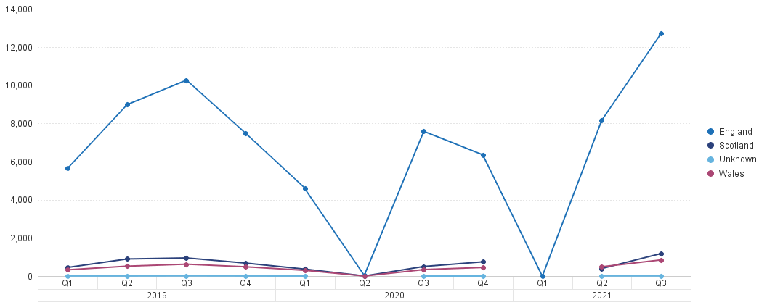
Values of 1000% or higher are not shown. |  |  |  |  |  | Page 1 of 1

